Omega_Ratio
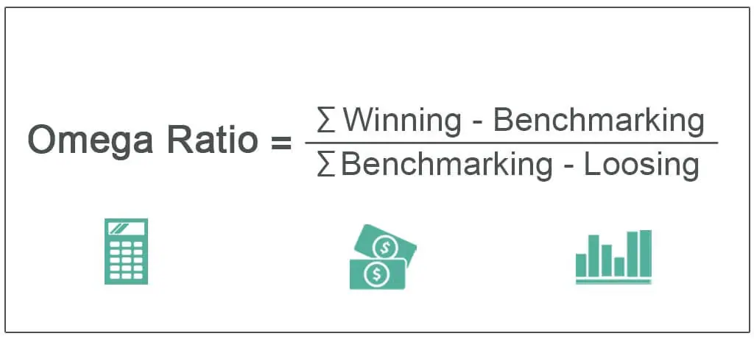
Date | Adj Close | Daily Returns
2021-04-01 | 74.550003
2021-05-01 | 93.769997 | 25.78%
2021-06-01 | 89.980003 | -4.04%
2021-07-01 | 76.980003 | -14.45%
2021-08-01 | 82.050003 | 6.59%
2021-09-01 | 75.550003 | -7.92%
2021-10-01 | 84.019997 | 11.21%
2021-11-01 | 126.099998 | 50.08%
2021-12-01 | 103.160004 | -18.19%
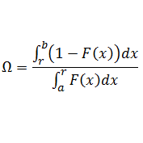
2022-01-01 | 65.860001 | -36.16%
2022-02-01 | 51.57 | -21.70%
2022-03-01 | 46.240002 | -10.34%
2022-04-01 | 30.65 | -33.72%
2022-05-01 | 29.940001 | -2.32%
2022-06-01 | 32.860001 | 9.75%
2022-07-01 | 42.93 | 30.65%
2022-08-01 | 39.110001 | -8.90%
2022-09-01 | 35.84 | -8.36%
2022-10-01 | 44.740002 | 24.83%
2022-11-01 | 31.77 | -28.99%
2022-12-01 | 28.459999 | -10.42%
2023-01-01 | 33.41 | 17.39%

lMin Acc Return | 0.01%
Omega Ratio | 1.1669525889

